% of total OSS
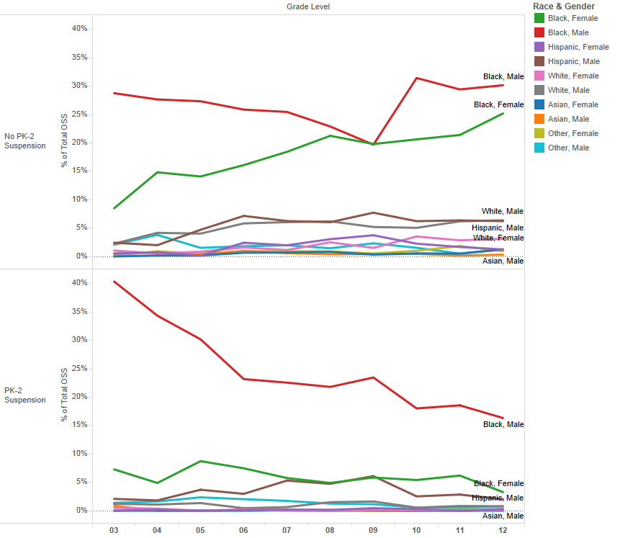
Percent of Total OSS for 2015-2016 Graduation Cohort by Race and Gender (N=5,754)*

 |  | Grade Level
 |  | 3 | 4 | 5 | 6 | 7 | 8 | 9 | 10 | 11 | 12
No PK-2 Suspension | Black, Female | 8.5% | 14.8% | 14.1% | 16.1% | 18.4% | 21.3% | 19.8% | 20.6% | 21.4% | 25.2%
 | Black, Male | 28.8% | 27.7% | 27.3% | 25.9% | 25.5% | 22.9% | 19.7% | 31.4% | 29.4% | 30.2%
 | Hispanic, Female | 0.5% | 0.7% | 0.2% | 2.4% | 2.0% | 3.0% | 3.7% | 2.3% | 1.7% | 1.2%
 | Hispanic, Male | 2.4% | 2.0% | 4.7% | 7.1% | 6.2% | 6.0% | 7.7% | 6.2% | 6.4% | 6.2%
 | White, Female | 1.0% | 0.5% | 0.8% | 1.6% | 1.1% | 2.5% | 1.5% | 3.5% | 2.8% | 3.1%
 | White, Male | 2.3% | 4.2% | 4.0% | 5.8% | 6.0% | 6.2% | 5.2% | 5.0% | 6.2% | 6.4%
 | Asian, Female | 0.0% | 0.2% | 0.2% | 0.7% | 0.7% | 0.8% | 0.3% | 0.5% | 0.5% | 1.2%
 | Asian, Male | 0.5% | 0.7% | 0.3% | 1.0% | 0.6% | 0.4% | 0.4% | 0.5% | 0.2% | 0.3%
 | Other, Female | 0.2% | 0.9% | 0.5% | 0.9% | 0.9% | 0.9% | 0.5% | 1.0% | 1.8% | 0.9%
 | Other, Male | 2.1% | 3.8% | 1.5% | 1.8% | 2.0% | 1.4% | 2.3% | 1.5% | 0.5% | 1.2%
PK-2 Suspension | Black, Female | 7.3% | 4.9% | 8.7% | 7.5% | 5.8% | 4.9% | 5.8% | 5.4% | 6.2% | 3.3%
 | Black, Male | 40.4% | 34.4% | 30.2% | 23.2% | 22.6% | 21.8% | 23.5% | 18.0% | 18.6% | 16.3%
 | Hispanic, Female | 0.0% | 0.2% | 0.0% | 0.1% | 0.2% | 0.1% | 0.4% | 0.3% | 0.0% | 0.3%
 | Hispanic, Male | 2.1% | 1.8% | 3.7% | 3.0% | 5.3% | 4.7% | 6.1% | 2.5% | 2.8% | 2.0%
 | White, Female | 0.5% | 0.4% | 0.0% | 0.2% | 0.0% | 0.0% | 0.1% | 0.1% | 0.0% | 0.2%
 | White, Male | 1.2% | 1.1% | 1.3% | 0.4% | 0.6% | 1.5% | 1.6% | 0.5% | 0.8% | 0.8%
 | Asian, Female | 0.0% | 0.0% | 0.0% | 0.0% | 0.0% | 0.0% | 0.0% | 0.0% | 0.0% | 0.0%
 | Asian, Male | 0.9% | 0.0% | 0.0% | 0.1% | 0.1% | 0.1% | 0.0% | 0.0% | 0.0% | 0.2%
 | Other, Female | 0.0% | 0.2% | 0.0% | 0.1% | 0.1% | 0.0% | 0.0% | 0.0% | 0.2% | 0.2%
 | Other, Male | 1.4% | 1.6% | 2.3% | 2.0% | 1.7% | 1.2% | 1.1% | 0.5% | 0.5% | 0.8%
Total |  | 100.0% | 100.0% | 100.0% | 100.0% | 100.0% | 100.0% | 100.0% | 100.0% | 100.0% | 100.0%
*Table includes only students from graduation cohort who had incident data available for Pre-K through Grade 2

